Diagrams
BMS4 Temperature
 | Fire | Unprotected beam | Protected beam | Slab
0 | 20 | 20 | 20 | 20
1 | 349.21366576 | 349.21366576 | 250.44956603 | 168.14614959
2 | 444.50487788 | 444.50487788 | 317.15341451 | 211.02719504
3 | 502.28930299 | 502.28930299 | 357.60251209 | 237.03018635
4 | 543.88730926 | 543.88730926 | 386.72111648 | 255.74928917
5 | 576.41043057 | 576.41043057 | 409.4873014 | 270.38469376
6 | 603.11764761 | 603.11764761 | 428.18235333 | 282.40294142
7 | 625.77682521 | 625.77682521 | 444.04377764 | 292.59957134
8 | 645.45510804 | 645.45510804 | 457.81857563 | 301.45479862
9 | 662.84638674 | 662.84638674 | 469.99247072 | 309.28087403
10 | 678.42733151 | 678.42733151 | 480.89913206 | 316.29229918
11 | 692.53955229 | 692.53955229 | 490.7776866 | 322.64279853
12 | 705.43624832 | 705.43624832 | 499.80537383 | 328.44631174
13 | 717.31030818 | 717.31030818 | 508.11721573 | 333.78963868
14 | 728.312063 | 728.312063 | 515.8184441 | 338.74042835
15 | 738.56095276 | 738.56095276 | 522.99266693 | 343.35242874
16 | 748.15345005 | 748.15345005 | 529.70741504 | 347.66905252
17 | 757.16859567 | 757.16859567 | 536.01801697 | 351.72586805
18 | 765.67196077 | 765.67196077 | 541.97037254 | 355.55238235
19 | 773.71854363 | 773.71854363 | 547.60298054 | 359.17334463
20 | 781.35492723 | 781.35492723 | 552.94844906 | 362.60971725
21 | 788.62091309 | 788.62091309 | 558.03463916 | 365.87941089
22 | 795.55077689 | 795.55077689 | 562.88554383 | 368.9978496
23 | 802.1742463 | 802.1742463 | 567.52197241 | 371.97841083
24 | 808.51727161 | 808.51727161 | 571.96209013 | 374.83277222
25 | 814.60263981 | 814.60263981 | 576.22184787 | 377.57118791
26 | 820.45046871 | 820.45046871 | 580.3153281 | 380.20271092
27 | 826.07860818 | 826.07860818 | 584.25502572 | 382.73537368
28 | 831.50296875 | 831.50296875 | 588.05207812 | 385.17633594
29 | 836.73779275 | 836.73779275 | 591.71645493 | 387.53200674
30 | 841.79587969 | 841.79587969 | 595.25711578 | 389.80814586
31 | 846.68877475 | 846.68877475 | 598.68214232 | 392.00994864
32 | 851.42692755 | 851.42692755 | 601.99884928 | 394.1421174
33 | 856.01982651 | 856.01982651 | 605.21387856 | 396.20892193
34 | 860.47611323 | 860.47611323 | 608.33327926 | 398.21425095
35 | 864.80368037 | 864.80368037 | 611.36257626 | 400.16165617
36 | 869.00975575 | 869.00975575 | 614.30682903 | 402.05439009
37 | 873.10097501 | 873.10097501 | 617.17068251 | 403.89543876
38 | 877.08344457 | 877.08344457 | 619.9584112 | 405.68755006
39 | 880.96279645 | 880.96279645 | 622.67395752 | 407.4332584
40 | 884.74423618 | 884.74423618 | 625.32096533 | 409.13490628
41 | 888.43258479 | 888.43258479 | 627.90280935 | 410.79466316
42 | 892.0323158 | 892.0323158 | 630.42262106 | 412.41454211
43 | 895.5475878 | 895.5475878 | 632.88331146 | 413.99641451
44 | 898.98227336 | 898.98227336 | 635.28759135 | 415.54202301
45 | 902.33998466 | 902.33998466 | 637.63798926 | 417.0529931
46 | 905.62409632 | 905.62409632 | 639.93686743 | 418.53084335
47 | 908.83776582 | 908.83776582 | 642.18643607 | 419.97699462
48 | 911.98395168 | 911.98395168 | 644.38876618 | 421.39277826
49 | 915.06542988 | 915.06542988 | 646.54580092 | 422.77944345
...

BMS4 Vertical Displacements
 | Node 86 | Node 101 | Node 8 | Node 195 | Central node
0 | -0.13794435246 | -0.13794435246 | -0.20391122048 | -0.20391122048 | -0.42200544526
0 | -0.27596253862 | -0.27596253862 | -0.40790601255 | -0.40790601255 | -0.84421195507
0 | -0.41405449788 | -0.41405449788 | -0.61198450949 | -0.61198450949 | -1.2666190325
0 | -0.5522201864 | -0.5522201864 | -0.81614688817 | -0.81614688817 | -1.6892262742
0 | -0.69045955981 | -0.69045955982 | -1.0203933252 | -1.0203933252 | -2.1120332749
0 | -0.82877257314 | -0.82877257314 | -1.2247239966 | -1.2247239966 | -2.5350396271
0 | -0.96715918078 | -0.96715918078 | -1.4291390781 | -1.4291390781 | -2.9582449211
0 | -1.1056193365 | -1.1056193365 | -1.633638745 | -1.633638745 | -3.381648745
0 | -1.2441529935 | -1.2441529935 | -1.8382231722 | -1.8382231722 | -3.8052506845
0 | -1.3827601042 | -1.3827601042 | -2.0428925341 | -2.0428925341 | -4.2290503231
0.125 | -3.8821472699 | -3.8834158459 | -8.8870666695 | -8.8852798615 | -18.386145103
0.25 | -4.8832081004 | -4.8889433045 | -12.881990653 | -12.881430923 | -25.685219734
0.375 | -5.7137118208 | -5.7175865915 | -15.855534099 | -15.855032508 | -31.280281309
0.5 | -6.3999622154 | -6.4040494866 | -18.21424988 | -18.213987818 | -35.811594645
0.625 | -6.9792142906 | -6.9837771467 | -20.179096361 | -20.178602951 | -39.609663996
0.75 | -7.4823319232 | -7.4872187845 | -21.868378787 | -21.86793238 | -42.886762826
0.875 | -7.9247481504 | -7.9298214496 | -23.352819854 | -23.352313496 | -45.75712271
1 | -8.3244237297 | -8.3296202495 | -24.675062494 | -24.674498521 | -48.348501252
1.5 | -9.6306089338 | -9.6361657911 | -28.869675472 | -28.869720537 | -56.612930042
2 | -10.610605596 | -10.616503141 | -32.021261267 | -32.021756123 | -62.686634139
3 | -12.091344344 | -12.097707962 | -36.571480193 | -36.572124573 | -71.40647905
4 | -13.143211459 | -13.149704724 | -39.943805638 | -39.943725718 | -77.616150568
5 | -13.976997319 | -13.983668729 | -42.566905335 | -42.565814837 | -82.25976901
6 | -14.677789751 | -14.684784101 | -44.652115206 | -44.650644978 | -85.845278288
7 | -15.283264219 | -15.290370033 | -46.435995658 | -46.433670759 | -88.80516593
8 | -15.83983579 | -15.846949375 | -47.975356312 | -47.970863555 | -91.225397178
9 | -16.345355475 | -16.352424942 | -49.317181526 | -49.311024612 | -93.323445771
10 | -16.806167031 | -16.813284025 | -50.435908943 | -50.428130654 | -95.201387015
11 | -17.23486582 | -17.242022659 | -51.326537176 | -51.317499857 | -96.997297165
12 | -17.629992895 | -17.637149491 | -52.170803724 | -52.160526004 | -98.852944859
13 | -18.124894557 | -18.132172849 | -53.586272348 | -53.574165362 | -101.11675052
14 | -18.60213133 | -18.609528449 | -54.975378084 | -54.96167332 | -103.33404397
15 | -19.055714074 | -19.06321108 | -56.307199068 | -56.292172269 | -105.49127168
16 | -19.4789115 | -19.486650211 | -57.567289601 | -57.552199211 | -107.5561107
17 | -19.897892621 | -19.90595665 | -58.592006073 | -58.57611512 | -108.50080326
18 | -20.309097777 | -20.317444258 | -59.544071701 | -59.530376631 | -109.24835416
19 | -20.710140722 | -20.718785225 | -60.472254804 | -60.459804359 | -110.03891349
20 | -21.100471219 | -21.109433931 | -61.40502302 | -61.392639068 | -110.88288821
21 | -21.48237573 | -21.491630336 | -62.329377266 | -62.315555159 | -111.77442324
22 | -21.8579094 | -21.867475821 | -63.242392341 | -63.22696577 | -112.713012
23 | -22.227106651 | -22.237203338 | -64.203004625 | -64.187699253 | -113.5967938
24 | -22.589804572 | -22.600477026 | -65.238022528 | -65.222663987 | -114.33840625
25 | -22.949317414 | -22.96060752 | -66.27660275 | -66.261455875 | -115.08004866
26 | -23.305172197 | -23.317343797 | -67.316814394 | -67.302077406 | -115.81737112
27 | -23.654468663 | -23.667626511 | -68.363082337 | -68.34877867 | -116.52327556
28 | -24.003688348 | -24.017610648 | -69.414540477 | -69.400902965 | -117.27122674
29 | -24.353408103 | -24.367773618 | -70.476638554 | -70.464528389 | -118.07383947
30 | -24.705720148 | -24.719556252 | -71.564450436 | -71.554628291 | -118.96256376
31 | -25.068101284 | -25.081582806 | -72.6993447 | -72.690827832 | -119.96627064
32 | -25.375341689 | -25.388813503 | -73.634363411 | -73.625475915 | -120.8105117
...

BMS4 Axial force at central-node
 | Beam 16 | Beam 17
0 | -21127.537978 | -20146.104126
0 | -42268.97998 | -40305.460032
0 | -63424.304306 | -60478.050082
0 | -84593.484523 | -80663.850423
0 | -105776.49401 | -100862.83704
0 | -126973.30599 | -121074.98577
0 | -148183.89351 | -141300.27227
0 | -169408.22943 | -161538.67206
0 | -190646.28647 | -181790.16049
0 | -211898.03715 | -202054.71275
0.125 | 195412.25954 | 201190.16975
0.25 | 432052.32038 | 435100.79985
0.375 | 581883.81672 | 583948.25607
0.5 | 687750.68122 | 689782.07912
0.625 | 769188.3826 | 770949.46
0.75 | 828517.58855 | 830316.76278
0.875 | 874940.27245 | 877048.84769
1 | 890610.92325 | 895199.04477
1.5 | 875584.77946 | 881787.83979
2 | 880279.60966 | 886616.82384
3 | 718635.63568 | 726155.73614
4 | 717569.05219 | 725161.41221
5 | 696668.72557 | 704704.83737
6 | 657810.90067 | 666324.81133
7 | 621213.5756 | 629948.36066
8 | 578701.05241 | 587645.50994
9 | 536420.60394 | 545511.24588
10 | 499954.75508 | 509176.33648
11 | 461194.9252 | 470542.36524
12 | 428095.2481 | 437447.0948
13 | 403642.78393 | 412901.51449
14 | 380613.68046 | 389880.7228
15 | 358119.34648 | 367394.05446
16 | 336239.94975 | 345506.93373
17 | 310319.94203 | 319630.52732
18 | 283328.02178 | 292708.40179
19 | 257247.66849 | 266694.55063
20 | 237514.27871 | 247008.48552
21 | 220350.90386 | 229887.92374
22 | 203827.12139 | 213404.81579
23 | 189130.87001 | 198736.18667
24 | 177093.41436 | 186707.22259
25 | 165568.85577 | 175196.53998
26 | 154553.31394 | 164193.2465
27 | 144253.1139 | 153912.7748
28 | 133945.98137 | 143854.88833
29 | 122907.06048 | 133328.26428
30 | 112225.65205 | 123061.64292
31 | 101672.99936 | 112782.00259
32 | 92263.14661 | 103546.20988
...

Deflected shape
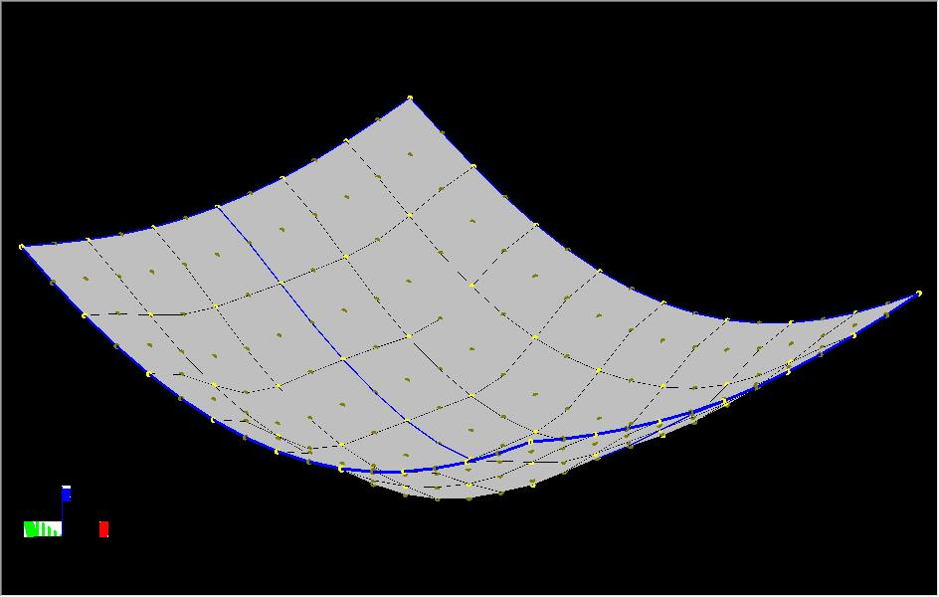
BMS4

NB. The deflections shown above are scaled by a factor of 10 in all directions.

Membrane forces
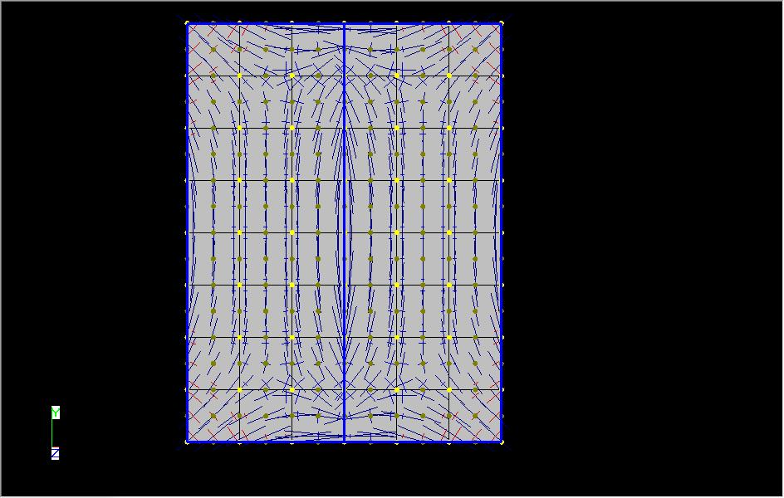

NB. This forces shown above are scale by a factor of 50 in all direction.

